Sheet1
S no | Feature | BVT | Steps | Output | Result (Pass/Fail)
 |  |  |  |  | Power BI Desktop | IE | EDGE | CHROME

1 | Basic Quadrant Chart with circles | Draw basic Quadrant Chart along with circles | 1. Drag 'Sales' column in 'X Axis' field | Quadrant Chart should be displayed, along with target legend and circles for individual manufacturers | 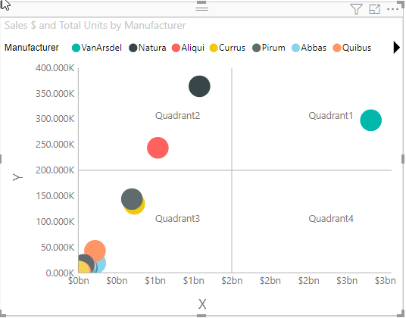 Pass | 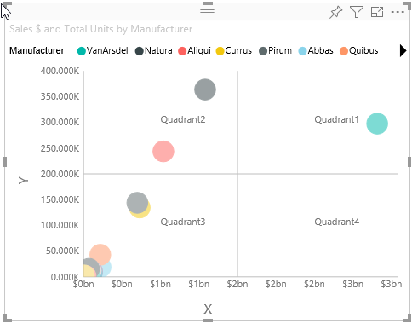 Pass | 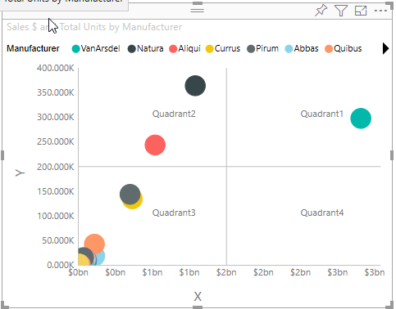 Pass | 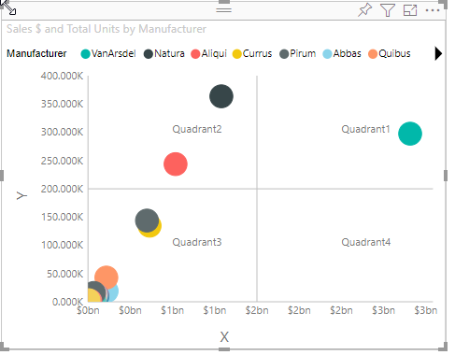 Pass
 |  |  | 2. Drag 'Total Units' column in 'Y Axis' field
 |  |  | 3. Drag 'Manufacturer' column in 'Legend Axis' field
 |  | Update Individual circle's color | 1. Go to formatting pane | Target bubble's color will be set to 'blue' | 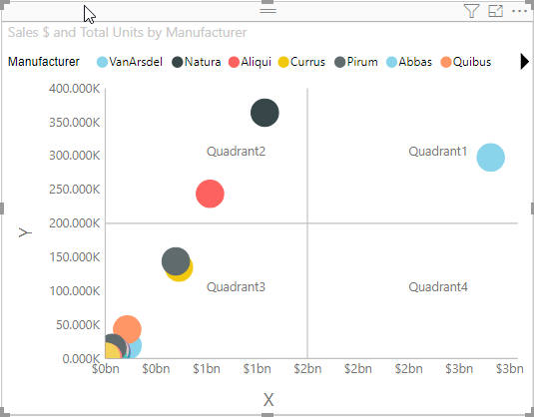 Pass | 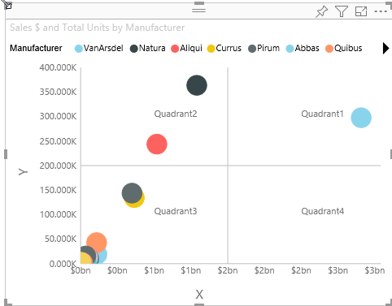 Pass | 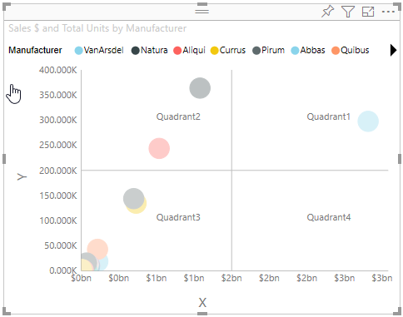 Pass | 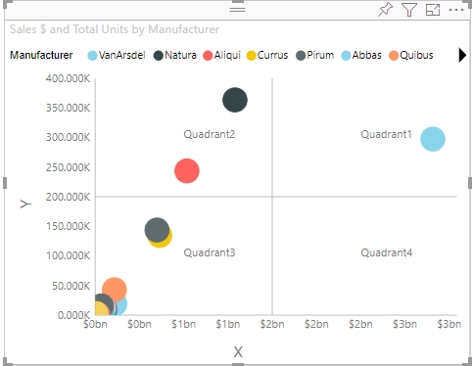 Pass
 |  |  | 2. Go to 'Bubble colors' option
 |  |  | 3. Update any field color to 'blue'
2 | Individual quadrant | Update quadrant name | 1. Go to formatting pane | Quadrant1's name should be changed to 'first' | 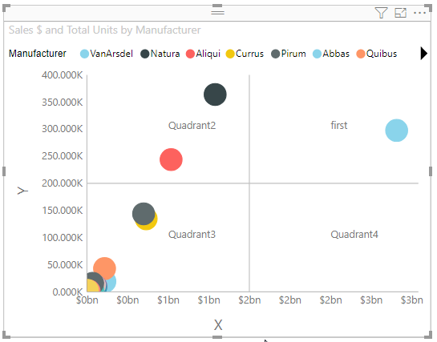 Pass | 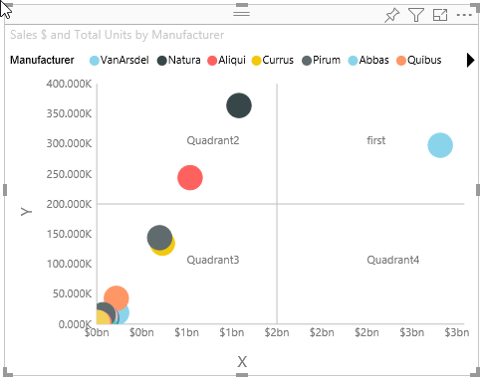 Pass | 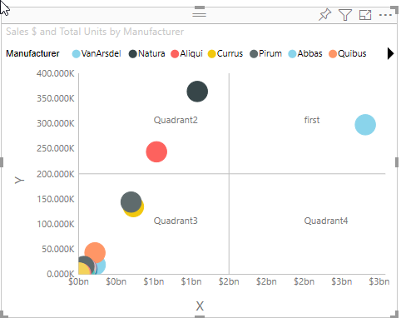 Pass |  Pass
 |  |  | 2. Go to 'Quadrant' option
 |  |  | 3. Change name of Quadrant1 = 'first'
 |  | Update quadrant division | 1. Go to formatting pane | Quadrant's division should be changed to '1000000000' by X-Axis and '50000' by Y-Axis | 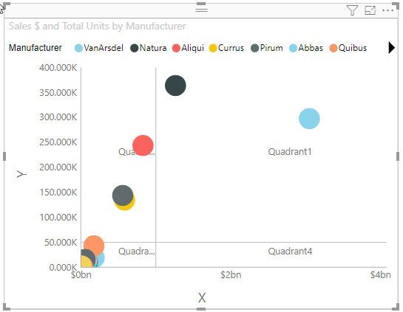 Pass | 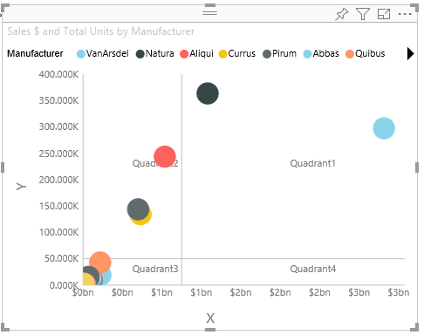 Pass | 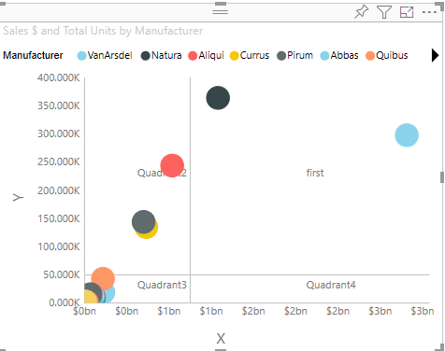 Pass | 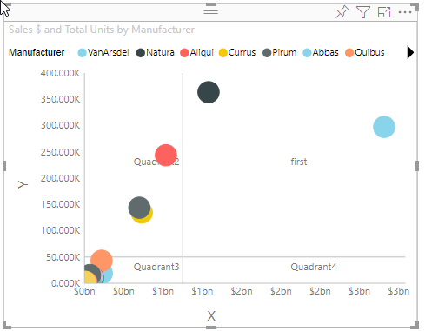 Pass
 |  |  | 2. Go to 'Quadrant' option
 |  |  | 3. Change values of X-Axis division line to '1000000000' and Y-Axis division line to '50000'
 |  | Update quadrant division line | 1. Go to formatting pane | Quadrant's division line should be changed to dotted | 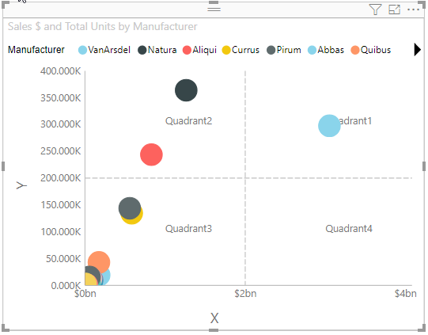 Pass | 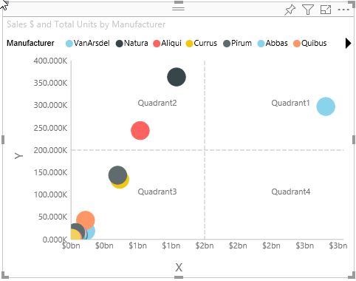 Pass | 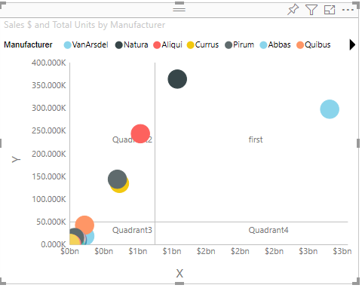 Pass | 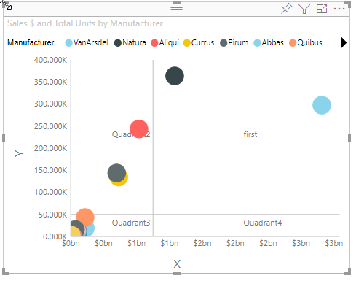 Pass
 |  |  | 2. Go to 'Quadrant' option
 |  |  | 3. Switch toggle on of 'Dotted' option
3 | X-Axis | Show X-Axis title and labels | 1. Go to formatting pane | 1.X-Axis' title labels should not be displayed 2.X-Axis' labels should not be displayed | 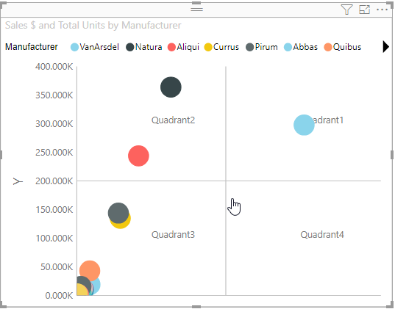 Pass | 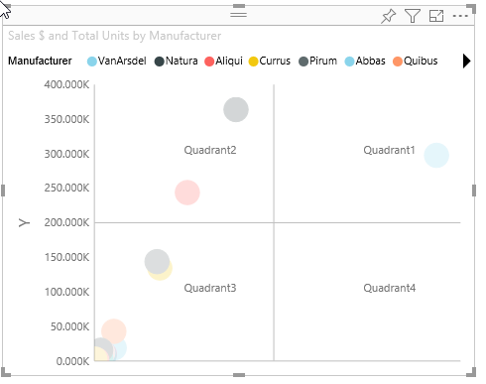 Pass | 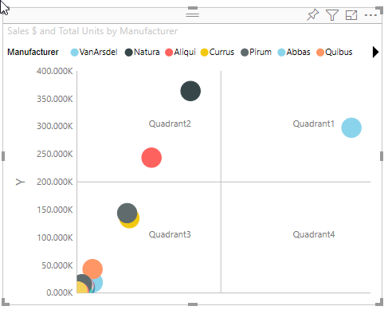 Pass | 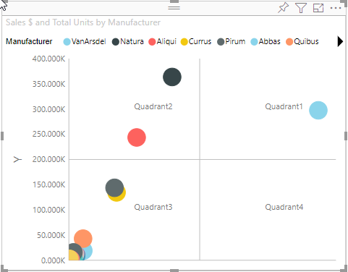 Pass
 |  |  | 2. Go to X-Axis
 |  |  | 3. Switch toggle off of 'Title' option
 |  |  | 4. Switch toggle off of 'Labels' option
 |  | Update X-Axis title text | 1. Go to formatting pane | X-Axis' title name should be changed to 'New Text' | 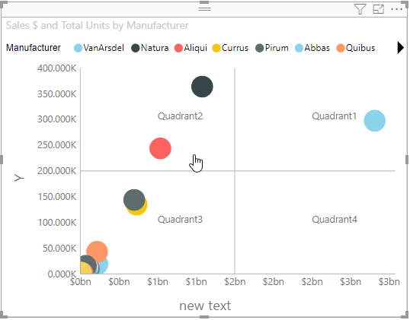 Pass | 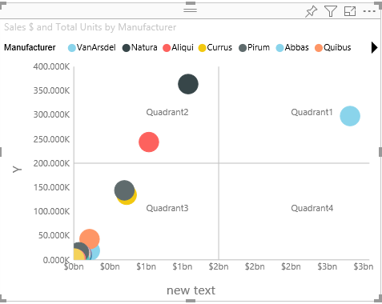 Pass | 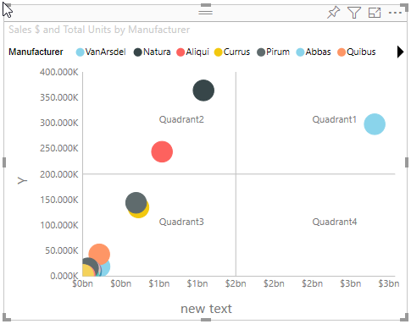 Pass |  Pass
 |  |  | 2. Go to X-Axis
 |  |  | 3. Update 'Title text' option to 'New Text'
 |  | Update X-Axis display units and decimal places | 1. Go to formatting pane | 1. Text will be formatted like '50K' 2. Text will be formatted like '50.0K' 3. Value will be reverted back to '1' |  Pass | 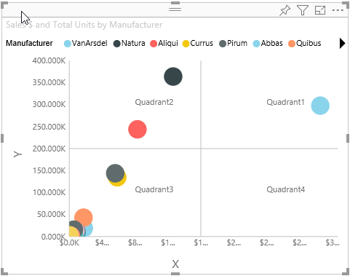 Pass | 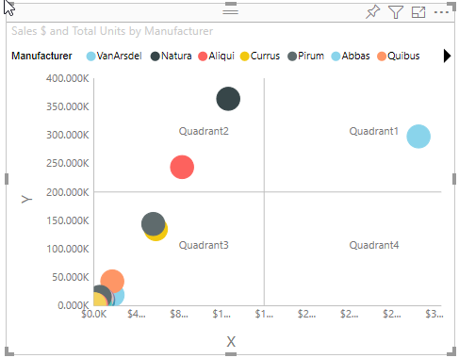 Pass | 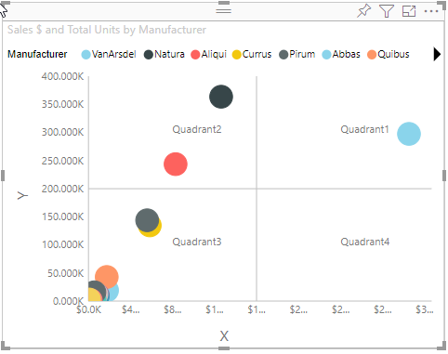 Pass
 |  |  | 2. Go to X-Axis
 |  |  | 3. Update 'display unit' to 'thousands'
 |  |  | 4. Update 'decimal places' to '1'
 |  |  | 5. Update 'decimal places' to '1.1'
4 | Y-Axis | Show Y-Axis title and labels | 1. Go to formatting pane | Y-Axis' title and labels should be displayed | 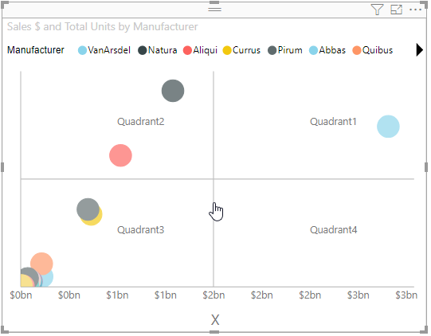 Pass | 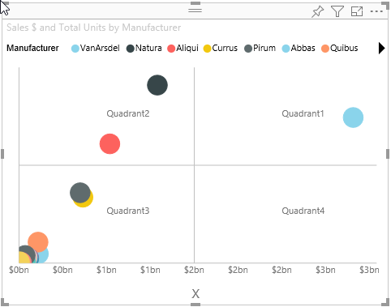 Pass |  Pass | 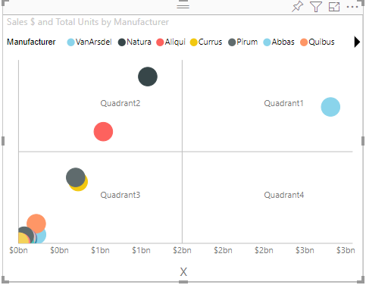 Pass
 |  |  | 2. Go to Y-Axis
 |  |  | 3. Switch toggle on of 'Title' option
 |  |  | 4. Switch toggle on of 'Labels' option
 |  | Update Y-Axis title text | 1. Go to formatting pane | 1.Y-Axis' title labels should be displayed 2.Y-Axis' labels should be displayed | 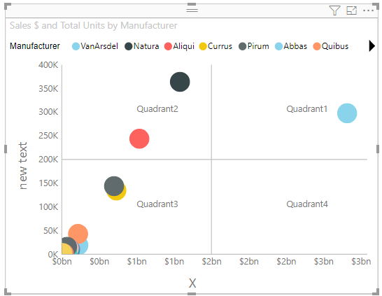 Pass | 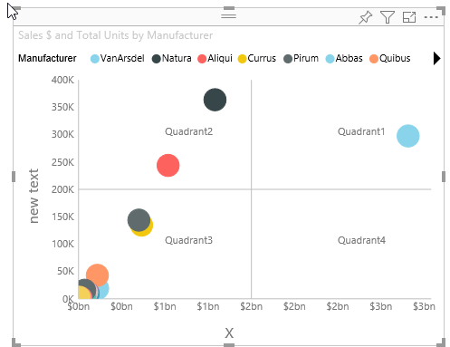 Pass | 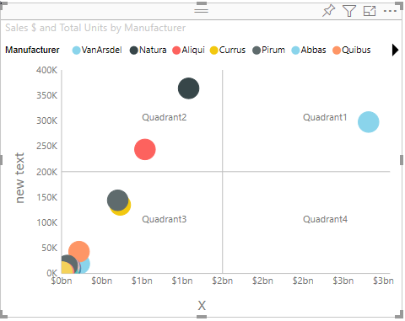 Pass | 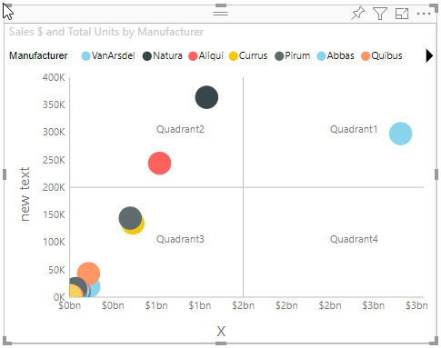 Pass
 |  |  | 2. Go to Y-Axis
 |  |  | 3. Update 'Title text' option to 'New Text'
 |  | Update Y-Axis display units and decimal places | 1. Go to formatting pane | 1. Text will be formatted like '50K' 2. Text will be formatted like '50.0K' 3. Value will be reverted back to '1' | 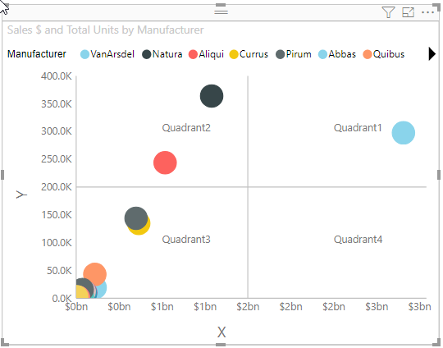 Pass | 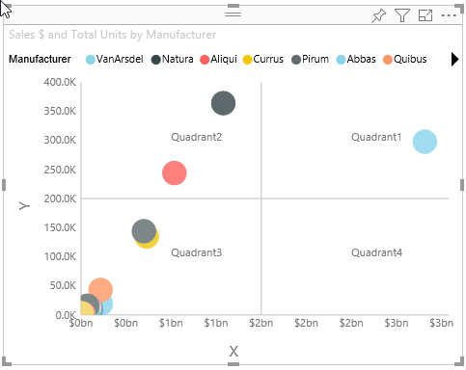 Pass | 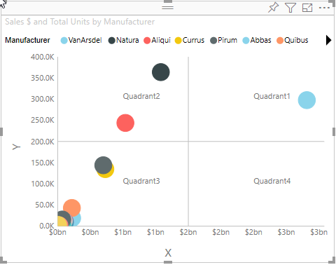 Pass | 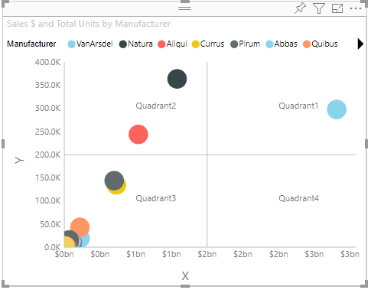 Pass
 |  |  | 2. Go to Y-Axis
 |  |  | 3. Update 'display unit' to 'thousands'
 |  |  | 4. Update 'decimal places' to '1'
 |  |  | 4. Update 'decimal places' to '1.2'
5 | Legend | Update legend's position, color and font size | 1. Go to formatting pane | 1. Legend's position will be changed to 'bottom' 2. Legend's text color will be set to 'black' 3. Legend's text size will be resized to '14' pt. | 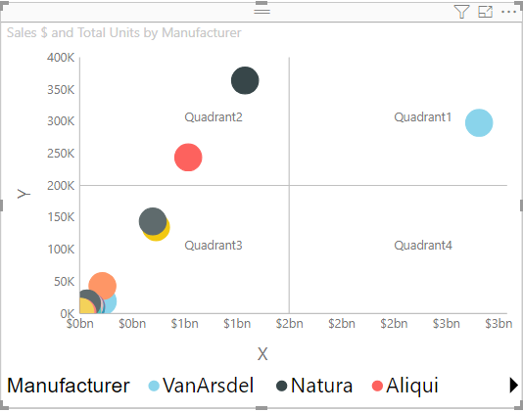 Pass | 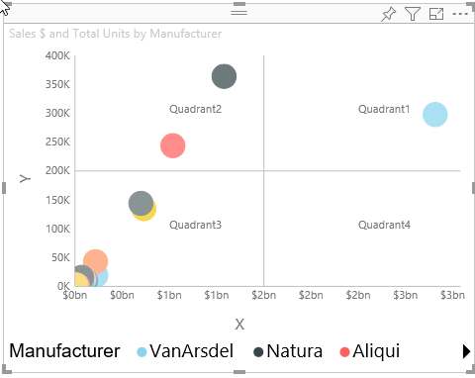 Pass | 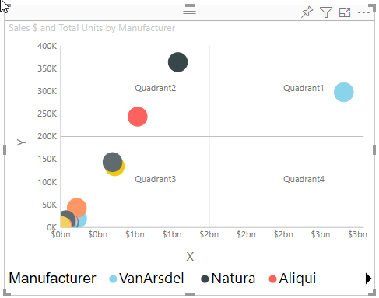 Pass | 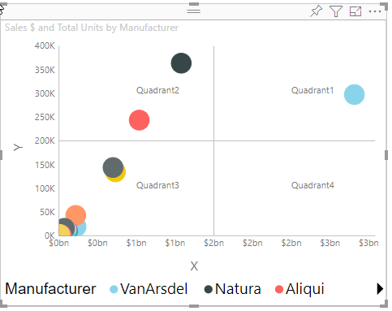 Pass
 |  |  | 2. Go to 'Legend' option
 |  |  | 3. Update 'Position' to 'Bottom'
 |  |  | 4. Update color to 'black'
 |  |  | 5. Update text size to '14'
6 | Resizing Visual | When Legend Position is 'Top', 'Top center', 'Bottom', 'Bottom center' or 'None' | 1. Go to formatting pane | Vertical and Horizontal scroll bar should be displayed with no clipping | 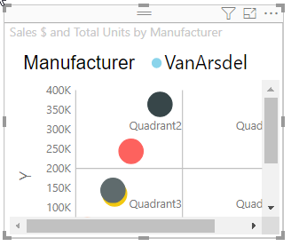 Pass | 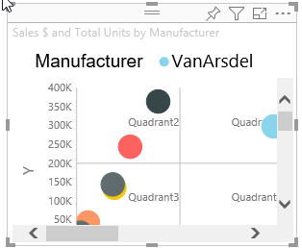 Pass | 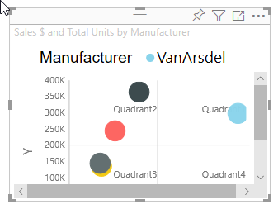 Pass | 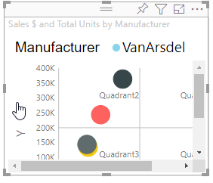 Pass
 |  |  | 2. Go to 'Legend' option
 |  |  | 3. Update 'Position' to 'Top', 'Top center', 'Bottom', 'Bottom center' or 'None'
 |  |  | 4. Resize the Viewport such both 'Vertical' and 'Horizontal' scroll bar should display.
 |  | When Legend Position is 'Left', 'Left center', 'Right', or 'Right center' | 1. Go to formatting pane | Vertical and Horizontal scroll bar should be displayed with no clipping | 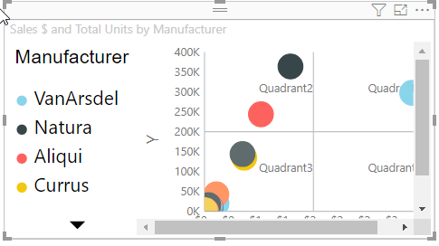 Pass | 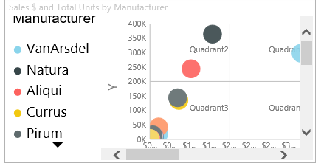 Pass |  Pass |  Pass
 |  |  | 2. Go to 'Legend' option
 |  |  | 3. Update 'Position' to 'Left', 'Left center', 'Right', or 'Right center'
 |  |  | 4. Resize the Viewport such both 'Vertical' and 'Horizontal' scroll bar should display.
7 | Bookmarks Feature | Save selections & filtering in a bookmark | 1. Go to View and tick Bookmarks Pane | 1. Bookmarks Pane will be visible on the right side 2. A new bookmark entry will be added in the pane 3. Previously saved state will be rendered in the visual with saved selections and filtering |  Pass |  Pass |  Pass |  Pass
 |  |  | 2. Do some selections & filtering too
 |  |  | 3. In the Bookmarks Pane, add a new bookmark and 'update' it
 |  |  | 4. Change the selections & filtering
 |  |  | 5. Click on the saved bookmark
8 | Drillthrough | Created custom menu to drill through from one visual to another. | 1.Generate a chart with some data 2.Create new report page and in DrillThrough add the fields for drillthrough. 3. Right click on the chart, select the Drillthrough option from the menu. | 1. On right click of the chart and selecting the drillthrough option from the context-menu , the report will drillthrough to the newly created report page. |  Pass |  Pass |  Pass |  Pass

